Golden Rule
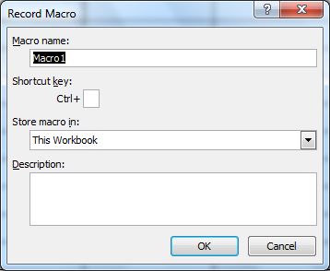
5 | Golden rules for macros naming
 |  | Wrong | Right
1 | Name should not start with number | 12Data | DAta12
2 | Space is not allowed | Data compiler | Data_Compiler
3 | Special char is not allowed except _ | Data.Comp | Data_Com
4 | Name should not be > 255 char
5 | Macro's name should not be duplicate

6 | Runing a macros
 | Press Alt F8

 | w

